VB Challenge 1
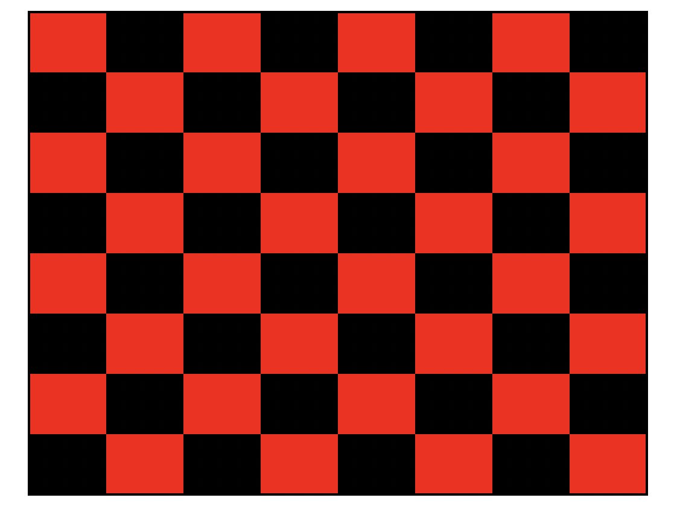
Use a nested loop to color the cells B2:I9.
The pattern should replicate a checkerboard. See image to the right.
Hints:
Investigate the mod function in vba. In particular, notice the value it returns when an even number is divided by two vs when an odd number is divided by two. It is ok to google the function.
Also note how the checkerbord is divided into rows and columns. When the row is an odd(even) number and the column is also an odd(even) number the color is red. Otherwise the color is black.
Try referencing cells with Cells() instead of Range()

VB Challenge 2
1)
Create input boxes that prompt the user for a stock ticker, the date acquired, the price, and the number of shares. The values entered in the box should populate in the table located in the A:E columns.
Column E should be calculated in VB. The cost basis is calculated as Price * Shares.
The table should automatically be sorted by date.
Create a button to run the macro called "Add security".
2)
Create an input box that prompts the user for a security in the table.
Calculate the average price of the security and round to two decimal places.
Display the result in a message box. The message box should read: "The average price of "security selected" is "XXX".
Date | Ticker | Price | Shares | Cost Basis
1905-06-23 | C | 34 | 200 | 6800
1994-01-12 | F | 20 | 100 | 2000
1998-02-12 | JPM | 5 | 20 | 100
1999-02-20 | HD | 3 | 2.4 | 7.2
2019-06-22 | GOOG | 80 | 100 | 8000
2020-01-12 | GLD | 200 | 100 | 20000
2020-01-20 | NFLX | 45 | 100 | 4500
2020-01-20 | XRP | 10 | 100 | 1000
2020-02-12 | AAPL | 180 | 200 | 36000
2020-04-13 | TSLA | 156 | 430 | 67080
2020-04-14 | GOOG | 1200 | 3 | 3600
2021-01-15 | GOOG | 45.5 | 23 | 1046.5
2021-02-04 | HD | 45 | 1000 | 45000
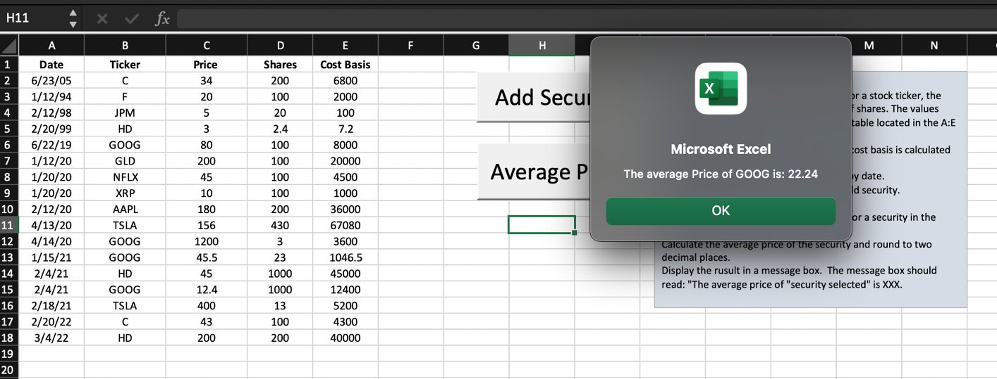
2021-02-04 | GOOG | 12.4 | 1000 | 12400
2021-02-18 | TSLA | 400 | 13 | 5200
2022-03-04 | HD | 200 | 200 | 40000

